README
The following instructions walk you through the process of getting Profile and PermissionSet data from your org into this workbook. When complete, the "User Permissions" tab will be populated with every UserPermission for every Profile and PermissionSet in your org.

1. Open Workbench, and make sure it's connected to the org you want to analyze.
Workbench

2. queries => SOQL Query
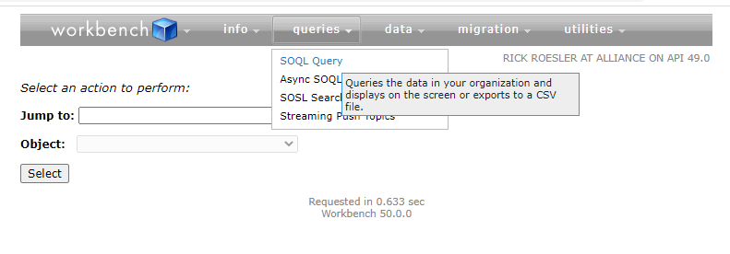

3. Select "View as: Bulk CSV" radio button

4. Select the PermissionSet Object

5. Select all the "Permissions…" fields in the "Fields" list: The first "Permissions" field should be the first field after "NamespacePrefix"; in this example, it's "PermissionsAccessCMC". The last "Permissions" field should be the field immediately preceding "ProfileId"; in this example, it's "PermissionsWorkDotComUserPerm". When you make the selection, Workbench will automatically populate the query. Your query should look something like this:

SELECT PermissionsAccessCMC,PermissionsActivateContract,PermissionsActivateOrder,PermissionsActivitiesAccess,PermissionsAllowLightningLogin,PermissionsAllowUniversalSearch,PermissionsAllowViewEditConvertedLeads,PermissionsAllowViewKnowledge,PermissionsApexRestServices,PermissionsApiEnabled,PermissionsAssignPermissionSets,PermissionsAssignTopics,PermissionsAuthorApex,PermissionsAutomaticActivityCapture,PermissionsB2BMarketingAnalyticsUser,PermissionsBulkApiHardDelete,PermissionsBulkMacrosAllowed,PermissionsCampaignInfluence2,PermissionsCanApproveFeedPost,PermissionsCanEditPrompts,PermissionsCanUseNewDashboardBuilder,PermissionsChangeDashboardColors,PermissionsChatterFileLink,PermissionsConfigCustomRecs,PermissionsConnectOrgToEnvironmentHub,PermissionsConsentApiUpdate,PermissionsContentAdministrator,PermissionsContentHubOnPremiseUser,PermissionsContentHubUser,PermissionsContentWorkspaces,PermissionsConvertLeads,PermissionsCreateCustomizeDashboards,PermissionsCreateCustomizeFilters,PermissionsCreateCustomizeReports,PermissionsCreateDashboardFolders,PermissionsCreateLtngTempFolder,PermissionsCreateLtngTempInPub,PermissionsCreatePackaging,PermissionsCreateReportFolders,PermissionsCreateReportInLightning,PermissionsCreateTopics,PermissionsCreateUpdateSDDDataset,PermissionsCreateUpdateSDDStory,PermissionsCreateWorkspaces,PermissionsCustomizeApplication,PermissionsCustomMobileAppsAccess,PermissionsCustomSidebarOnAllPages,PermissionsCustomTabBarOnMobile,PermissionsDataExport,PermissionsDelegatedTwoFactor,PermissionsDeleteActivatedContract,PermissionsDeleteTopics,PermissionsDistributeFromPersWksp,PermissionsEditActivatedOrders,PermissionsEditBrandTemplates,PermissionsEditCaseComments,PermissionsEditEvent,PermissionsEditHtmlTemplates,PermissionsEditKnowledge,PermissionsEditMyDashboards,PermissionsEditMyReports,PermissionsEditOppLineItemUnitPrice,PermissionsEditPublicDocuments,PermissionsEditPublicFilters,PermissionsEditPublicTemplates,PermissionsEditReadonlyFields,PermissionsE

6. Now we'll add the following four additional fields to the beginning of the query. Type them into "Enter or modify a SOQL query below:" text entry field at the beginning of the query in this order:
Profile.Name
Profile.Description
Name
Description

Important: there are formulas in the workbook that depend on this specific order of fields. Your query should now look like this:

SELECT Profile.Name,Profile.Description,Name,Description,PermissionsAccessCMC,PermissionsActivateContract,PermissionsActivateOrder,PermissionsActivitiesAccess,PermissionsAllowLightningLogin,PermissionsAllowUniversalSearch,PermissionsAllowViewEditConvertedLeads,PermissionsAllowViewKnowledge,PermissionsApexRestServices,PermissionsApiEnabled,PermissionsAssignPermissionSets,PermissionsAssignTopics,PermissionsAuthorApex,PermissionsAutomaticActivityCapture,PermissionsB2BMarketingAnalyticsUser,PermissionsBulkApiHardDelete,PermissionsBulkMacrosAllowed,PermissionsCampaignInfluence2,PermissionsCanApproveFeedPost,PermissionsCanEditPrompts,PermissionsCanUseNewDashboardBuilder,PermissionsChangeDashboardColors,PermissionsChatterFileLink,PermissionsConfigCustomRecs,PermissionsConnectOrgToEnvironmentHub,PermissionsConsentApiUpdate,PermissionsContentAdministrator,PermissionsContentHubOnPremiseUser,PermissionsContentHubUser,PermissionsContentWorkspaces,PermissionsConvertLeads,PermissionsCreateCustomizeDashboards,PermissionsCreateCustomizeFilters,PermissionsCreateCustomizeReports,PermissionsCreateDashboardFolders,PermissionsCreateLtngTempFolder,PermissionsCreateLtngTempInPub,PermissionsCreatePackaging,PermissionsCreateReportFolders,PermissionsCreateReportInLightning,PermissionsCreateTopics,PermissionsCreateUpdateSDDDataset,PermissionsCreateUpdateSDDStory,PermissionsCreateWorkspaces,PermissionsCustomizeApplication,PermissionsCustomMobileAppsAccess,PermissionsCustomSidebarOnAllPages,PermissionsCustomTabBarOnMobile,PermissionsDataExport,PermissionsDelegatedTwoFactor,PermissionsDeleteActivatedContract,PermissionsDeleteTopics,PermissionsDistributeFromPersWksp,PermissionsEditActivatedOrders,PermissionsEditBrandTemplates,PermissionsEditCaseComments,PermissionsEditEvent,PermissionsEditHtmlTemplates,PermissionsEditKnowledge,PermissionsEditMyDashboards,PermissionsEditMyReports,PermissionsEditOppLineItemUnitPrice,PermissionsEditPublicDocuments,PermissionsEditPublicFilters,PermissionsEditPublicTe

and your screen should look like this:

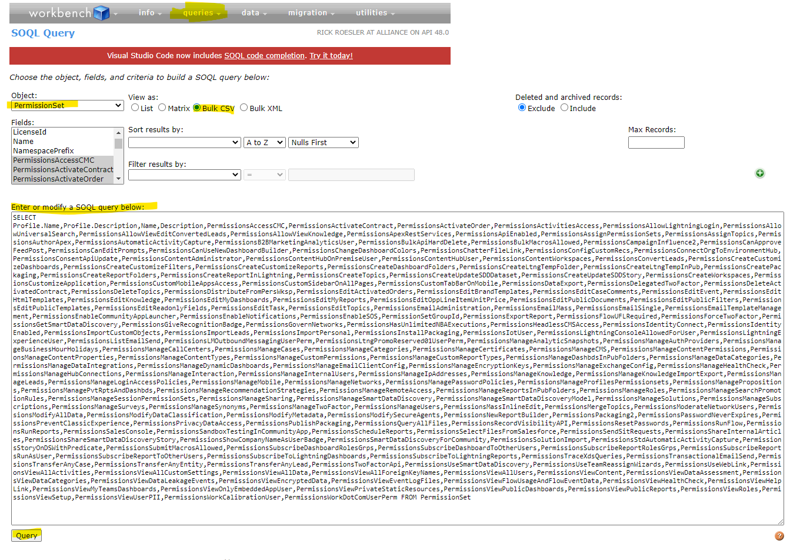

7. Press "Query " and download the resulting CSV file

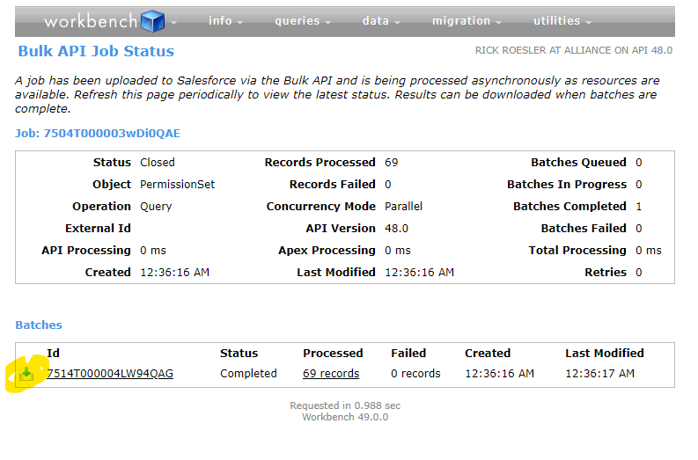

8. Copy and Paste all the data in the CSV into the "User Permissions" tab at E1 Note: Cols A-D are highlighted in yellow because they're formula fields. For that reason, they are also not selectable. To override, unprotect the Worksheet.

9. Hide Cols E-H

10. Done. You now have a spreadsheet with every Profile and PermissionSet showing every User Permission

